Sheet1
 |  | Document No. | Issue No. | Issue Date |  | Review and Replace Date |  | Authorised By
 |  | GFF030MC | 1 | 2022-04-08 |  | New Issue
 |  | Document Title | GC- 20 Onion Bhaji | 2000G -High Risk
 |  |  |  |  |  |  |  | Magda Shah
Document amendments reason for change |  | New Issue | Page 1 of 1 |  | Previous Issue Date |  | New Issue | Uncontrolled copy unless signed original

COBHL-B20T | Gazebo (BULK-SNACKS) |  | GC- 20 Onion Bhaji | 2000G
STEP 1 |  |  |  |  | STEP 2
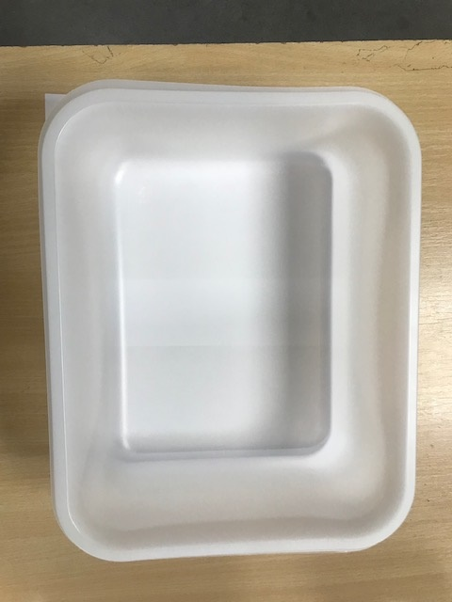

Tray:HW320/115 - Translucent - 554 (PKPRO001-13) |  |  |  |  | Onion Bhaji Large (GFF009-1R): 100g 20 Pieces (2000g)
Film: S340AF(PE)340mm X 510m AF Weld PE (PKPRO001-17)
STEP 3
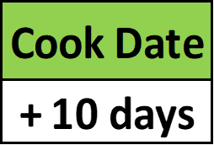 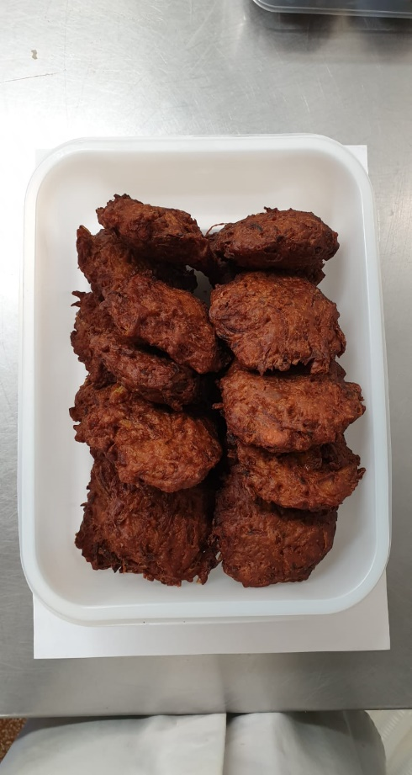

+ 18 Days

TOTAL WEIGHT: 2000g

ALLERGY ALERT: Wheat

